Calculation Sheet
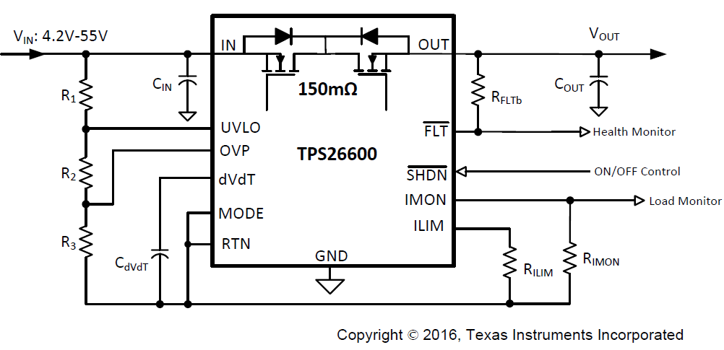
TPS26600 Design Calculator Tool
Constants Cells | Input / Select Cells | Calculation Cells
 | Calculated, but can be over-ridden by the user. Note: Once cells are over-ridden, new calculation sheet should be used for the next design
Parameter | Description | Value | Units | Tolerance
VIN (max) | Maximum System Input Voltage | 30.0 | V
UVset | Undervoltage Lockout Threshold | 10.00 | V
OVset | Over Voltage Cut-Off Threshold | 30.00 | V
Cout | Load Capacitance | 220.0 | µF | 10%
TA (max) | Maximum Ambient Temperature | TA = 85C | °C
RLstart | Load during start-up (Assumed to be resistive) | 48.0 | Ω
Imax | Maximum continuous load current | 2.0 | A
ILimit | Current Limit, 10% higher than the maximum continuous load current | 2.20 | A

VIN Thresholds Programmed
UVLO, OVP Calculations
R3_sel | Select a value in the range from 10k to 249k | 30.1 | kΩ | 1.0%
R2_cal | Calculated value of Resistor at UVLO pin | 60.2 | kΩ |  | 9.38 | Power Fail (VIN Falling)
R1_cal | Calculated value of Resistor at IN pin | 668.5 | kΩ |  | 10.14 | UVLO (VIN Rising)
SELECT THE CLOSEST POSSIBLE RESISTANCE VALUE FOR R1, R2, R3 |  |  |  |  | 30.50 | OVP (VIN Rising)
R3_sel | Selected closest possible value for R3 resistor | 30.10 | kΩ | 1.0%
R2_sel | Selected closest possible value for R2 resistor | 60.40 | kΩ | 1.0%
R1_sel | Selected closest possible value for R1 resistor | 681.00 | kΩ | 1.0%
UV_Final | Undervoltage Lockout Threshold | 10.14 | V | 3.4%
OV_Final | Over Voltage Cut-Off Threshold | 30.50 | V | 3.4%
Power Fail Detection | Power Fail Detection Threshold | 9.38 | V | 3.4%
I_R123 | Current in R1, R2, R3 Branch | 38.89 | uA

Current Limits Programmed
Current Limit Calculations
RLIM_cal | Calculated current limit resistor value | 5.45 | kΩ | 1% | 0.25 | Inrush Charging Current
SELECT THE CLOSEST POSSIBLE RESISTANCE VALUE FOR RLIM |  |  |  |  | 2.24 | Overload Current Limit
RLIM | Selected closest possible value for RLIM resistor | 5.36 | kΩ | 1.0% | 4.04 | Fastrip Current Limit
ILimit_Final | Final Current Limit Set Point | 2.24 | A | 5.1%
I_Fastrip | Fast-Trip Current Limit to Detect Short Circuit | 4.04 | A | 11.2%

dV/dT Capacitor and Start-up Time Calculations
Parameter | Description | Value | Units | Tolerance
Tstart_default | Default start-up time with no external capacitor connected at dVdT pin | 2.0 | ms
Tstart_recommended | Recommended start-up time based on 1 / 10th of load current as capacitive charging current | 33.0 | ms
Icharge_recommended | Recommended charging current to charge the load capacitor | 0.20 | A
Tstart_req | Required start-up time | 33.0 | ms
Icharge_req | Charging current required to charge the load capacitor | 0.20 | A
Cdvdt_cal1 | Calculated dVdT capacitor value based on required start-up time | 0.127 | µF | 10%
Cdvdt_cal2 | Calculated dVdT capacitor value based on required charging current | 0.127 | µF | 5%
SELECT THE CLOSEST POSSIBLE CAPACITANCE VALUE FOR CdVdT
Cdvdt | Selected closest possible value for CdV/dT capacitor | 0.100 | µF | 10%
Tstart_Final | Output Voltage Start-up Time | 26 | ms | 20.0%
Icharge_Final | Charging Current to Charge Load Capacitance | 0.25 | A

Total Power dissipation at Start-up
Pd_dvdt | Power dissipation due to load capacitance during start-up | 3.82 | W
Pd_Rlstart | Power dissipation due to load resistance during start-up | 3.13 | W
Pd_startup | Total power dissipation during start-up | 6.95 | W
 | Maximum power dissipation allowed during start-up for glitch-free operation | 14.00 | W
 | Margin | 102 | %
 | Is my system start-up glitch-free? | YES

Calculations for CURRENT MONITOR
VMON_Max | Maximum allowable voltage at IMON for Maximum Load Current | 3 | V
RIMON_cal | Calculated IMON resistor value | 17.39 | kΩ | 1%
SELECT THE CLOSEST POSSIBLE RESISTANCE VALUE FOR RIMON
RIMON_sel | Selected closest possible value for IMON resistor | 17.40 | kΩ | 1.0%
VMON_Max | Voltage at IMON for Maximum Load Current | 3.05 | V | 9.8%

Steady state Voltage drop & Power dissipation
Parameter | Description | Value | Units | Tolerance
Vdrop | Maximum voltage drop across the device at TA = 25°C | 320.00 | mV
Pdiss_ss | Steady state power dissipation with maximum current at TA = 25°C | 640.00 | mW

Internal FET Parameters
Parameter | Description | Value | Units | Tolerance
Rds(on) | FET maximum Rds(on) at 25°C | 160 | mΩ
Rds(on)_85degC | FET maximum Rds(on) at 85°C | 205 | mΩ
Rds(on)_125degC | FET maximum Rds(on) at 125°C | 250 | mΩ

Internal References
V(UVLOR) | UVLO Threshold Voltage, Rising | 1.19 | V | 2.9%
V(UVLOHys) | UVLO Hysteresis | 0.09 | V
V(OVPR) | Over-Voltage Threshold Voltage, Rising | 1.19 | V | 2.9%
I(dVdT) | dVdT Charging Current | 4.70 | uA | 17.0%
GAIN(dVdT) | dVdT to OUT Gain | 24.63 |  | 3.5%
TdVdT | Default Start-up Time with dVdT = Open | 1.60 | ms
Imon_Gain | Gain Factor I(IMON):I(OUT) | 78.40 | uA/A | 8.4%

Thermal Shutdown Limit Plot
Thermal Shutdown Time (ms) Vs. Power Dissipation (W) |  |  |  |  |  | Title of Graph |  | Thermal Shutdown Time Vs. Power Dissipation
Power Dissipation (W) | TA = -40C | TA = 25C | TA = 85C | TA = 105C | TA = 125C
1.00 | 100000.00 | 100000.00 | 100000.00 | 100000.00 | 100000.00 | Lable | X-Axis | Power Dissipation (W)
2.00 | 100000.00 | 100000.00 | 100000.00 | 100000.00 | 3640.00 |  | Y-Axis | Thermal Shutdown time (ms)
3.00 | 100000.00 | 100000.00 | 34590.00 | 2870.00 | 482.00
Thermal Shutdown Time Vs. Power Dissipation
4.00 | 100000.00 | 72350.00 | 2810.00 | 681.60 | 174.00
5.00 | 100000.00 | 13880.00 | 1497.00 | 400.00 | 133.70
6.00 | 100000.00 | 4315.00 | 638.60 | 250.00 | 69.76
7.00 | 100000.00 | 2088.00 | 345.00 | 142.80 | 39.84
8.00 | 59170.00 | 1147.00 | 214.00 | 90.80 | 25.92
9.00 | 7000.00 | 716.00 | 143.43 | 61.84 | 17.44
10.00 | 3275.00 | 472.76 | 101.00 | 42.64 | 12.44
12.00 | 1172.00 | 255.70 | 55.33 | 22.80 | 7.40
14.00 | 602.60 | 154.30 | 33.78 | 13.92 | 4.98
16.00 | 367.20 | 100.00 | 21.41 | 9.24 | 3.75
18.00 | 245.90 | 68.12 | 14.39 | 6.68 | 2.97
20.00 | 174.00 | 49.14 | 10.52 | 5.22 | 2.49
25.00 | 85.90 | 24.40 | 5.69 | 3.25 | 1.75
30.00 | 48.00 | 13.79 | 3.76 | 2.34 | 1.35
35.00 | 28.44 | 8.64 | 2.80 | 1.81 | 1.09
40.00 | 18.94 | 6.07 | 2.16 | 1.49 | 0.93
50.00 | 9.00 | 3.52 | 1.52 | 1.09 | 0.71
60.00 | 6.72 | 2.39 | 1.18 | 0.88 | 0.57
75.00 | 3.73 | 1.79 | 0.99 | 0.72 | 0.47
100.00 | 2.16 | 1.22 | 0.69 | 0.51 | 0.35

 |  | Pd (W) | Tstart-up (ms)
 | Maximum Point | 14.00 | 25.92
 | Operating Point | 6.95 | 25.92

Taken on 2-Layer board, 2oz.(0.08-mm thick) with RTN plane area: 1cm² (Top) and 4.6cm² (bottom)

